Ques20
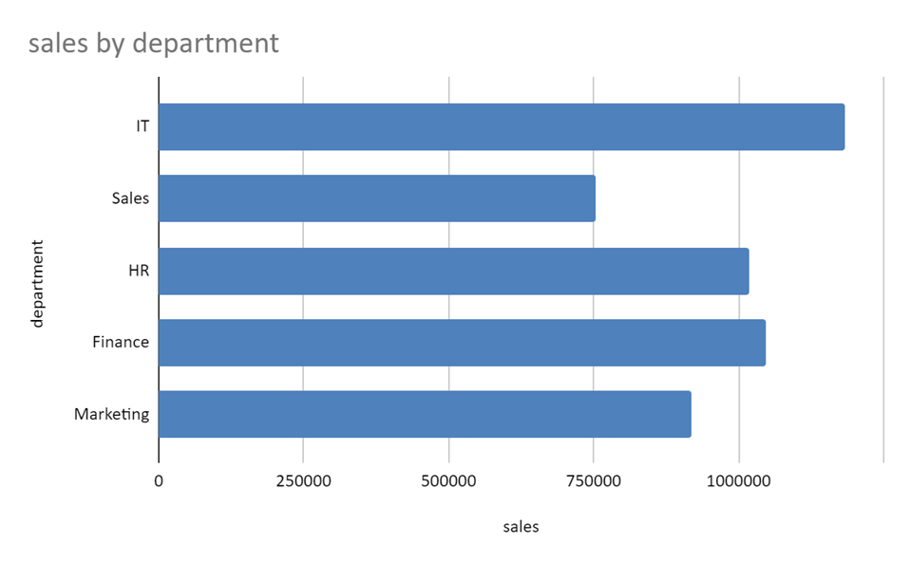
Ques20:Chart Creation
Create a bar chart to visualize the total sales by department.
ID | Department | Sales
1 | IT | 13394
2 | Sales | 28070
3 | HR | 38327
4 | Finance | 20413
5 | HR | 31025
6 | Sales | 12096
7 | Finance | 39507
8 | HR | 16865
9 | IT | 22260
10 | Marketing | 19002
11 | IT | 39772
12 | Marketing | 25897
13 | Sales | 22359
14 | Sales | 14774
15 | IT | 36836
16 | Marketing | 36474
17 | HR | 22654
18 | Marketing | 24487
19 | Marketing | 33987
20 | Finance | 34241
21 | Sales | 34366
22 | Marketing | 16964
23 | HR | 28846
24 | IT | 33529
25 | IT | 38067
26 | Sales | 39585
27 | HR | 11271
28 | Sales | 22170
29 | HR | 20391
30 | Marketing | 20553
31 | HR | 10664
32 | Sales | 21285
33 | Finance | 11672
34 | HR | 24967
35 | HR | 11978
36 | Marketing | 31174
37 | IT | 38678
38 | Finance | 31994
39 | Finance | 14870
40 | HR | 21302
41 | Sales | 30546
42 | HR | 22139
43 | Sales | 11264
44 | IT | 11878
45 | IT | 20523
46 | Finance | 10765
47 | Marketing | 36637
48 | Finance | 16498
49 | IT | 37968
50 | Marketing | 17681
51 | HR | 17012
52 | Marketing | 19881
53 | Finance | 29803
54 | HR | 19170
55 | Marketing | 17352
56 | Marketing | 29240
57 | Sales | 12142
60 | IT | 13213
61 | IT | 27273
62 | HR | 21278
63 | Finance | 14363
64 | Finance | 32521
65 | Finance | 16011
66 | HR | 16901
67 | Sales | 28340
68 | Sales | 31020
69 | Marketing | 27123
70 | IT | 30080
71 | Finance | 29444
72 | Finance | 29006
73 | Marketing | 21871
74 | Finance | 37414
75 | IT | 24340
76 | HR | 16800
77 | Marketing | 33597
78 | Finance | 14844
79 | Marketing | 27082
80 | IT | 35187
81 | HR | 32084
82 | Finance | 19756
83 | HR | 23065
84 | Marketing | 16439
85 | HR | 38522
86 | Marketing | 12662
87 | Marketing | 27956
88 | Finance | 11073
89 | Finance | 32024
90 | IT | 24398
91 | IT | 39487
92 | IT | 38185
93 | IT | 21575
94 | Finance | 13911
95 | HR | 36655
96 | IT | 21102
97 | Finance | 36315
98 | IT | 37613
99 | IT | 13747
100 | Sales | 22606
101 | Sales | 35571
102 | IT | 27112
103 | HR | 31585
104 | Finance | 18918
105 | Finance | 32242
106 | Sales | 19856
107 | Finance | 28005
108 | Marketing | 15511
109 | HR | 12276
110 | Finance | 28398
111 | Marketing | 27117
112 | Finance | 13505
113 | Sales | 36502
114 | Sales | 19645
115 | Finance | 10595
116 | Marketing | 14730
117 | HR | 19419
118 | Finance | 39227
119 | Sales | 18644
120 | Finance | 30287
121 | Sales | 18177
122 | HR | 36702
123 | HR | 37823
124 | Marketing | 12135
125 | HR | 30782
126 | HR | 17297
127 | Sales | 34181
128 | IT | 35171
129 | Marketing | 12270
130 | Sales | 36938
131 | Sales | 10779
132 | Marketing | 30260
133 | IT | 34641
134 | Marketing | 33232
135 | HR | 26996
136 | Sales | 16639
137 | HR | 37582
138 | IT | 12146
139 | Finance | 24266
140 | Sales | 34805
141 | HR | 14122
142 | IT | 14152
143 | IT | 37173
144 | IT | 11775
145 | Marketing | 34271
146 | IT | 27635
147 | IT | 26800
148 | Finance | 16156
149 | Marketing | 10425
150 | Finance | 32750
151 | Sales | 21569
152 | Sales | 18063
153 | Marketing | 34507
154 | IT | 38150
155 | HR | 39106
156 | Marketing | 37379
157 | Finance | 24748
158 | Finance | 13558
159 | Sales | 14394
160 | Marketing | 23493
161 | Marketing | 32807
162 | IT | 39643
163 | HR | 18370
164 | Finance | 20000
165 | IT | 35960
166 | HR | 31341
167 | HR | 13992
168 | Finance | 36286
169 | Finance | 39466
170 | Marketing | 10283
171 | IT | 36781
172 | Marketing | 35393
173 | Sales | 10726
174 | Sales | 22612
175 | Finance | 17614
176 | Marketing | 12888
177 | Sales | 33112
178 | HR | 20838
179 | IT | 18735
180 | IT | 39503
181 | IT | 15952
182 | HR | 13838
183 | IT | 16487
184 | Finance | 27092
185 | HR | 12903
186 | HR | 37035
187 | HR | 14615
188 | Marketing | 29838
189 | Finance | 17507
190 | IT | 29163
191 | IT | 24662
192 | HR | 10263
193 | Finance | 22041
194 | Marketing | 15778
195 | Sales | 20588
196 | HR | 32158
197 | IT | 17883
198 | Finance | 26898
199 | HR | 14356
200 | Sales | 34256

